TEDB Edition 40
The latest Vehicle Inventory and Use Survey asked truck owners if the truck had certain features as permanent equipment on the truck. Some of the features asked about were onboard computers, idle-reduction devices, navigational systems, and Internet access. Of the 2.3 million heavy trucks (class 7 & 8) in the United States, nearly 10% were equipped with onboard computers that had communication capabilities and another 5% had onboard computers without communication capabilities. Six percent of heavy trucks were equipped with idle-reducing technology. Navigational systems and Internet access were available in less than one percent of heavy trucks.

Figure 5.3. Share of Heavy Trucks with Selected Electronic Features, 2002

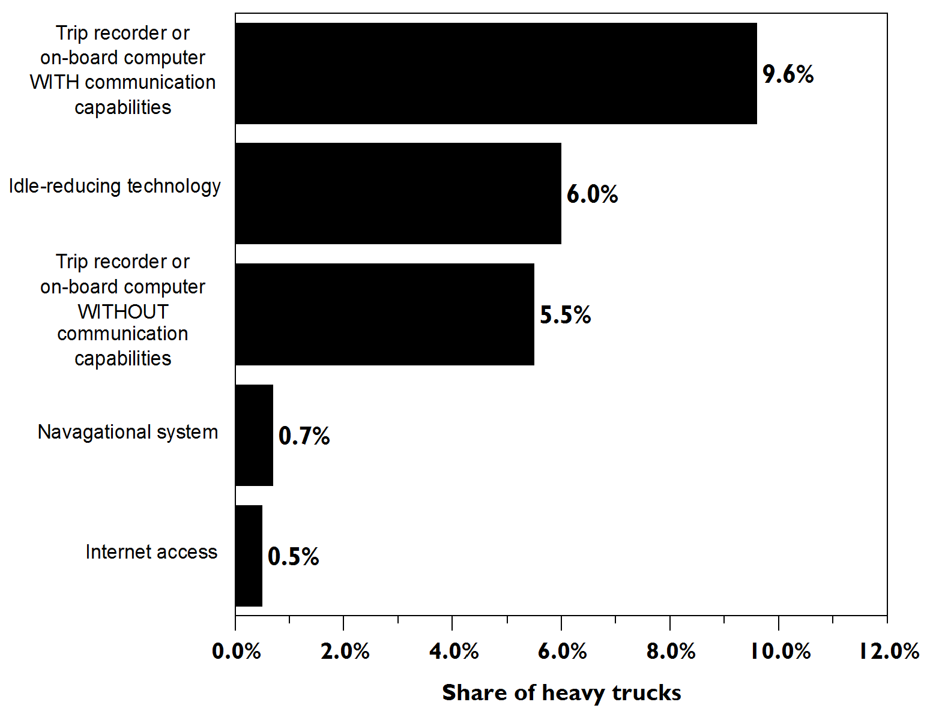

 | Trip recorder or on-board computer WITH communication capabilities | Idle-reducing technology | Trip recorder or on-board comptuer WITHOUT communication capabilities | Navagational system | Internet access
Share of Heavy Trucks | 9.6% | 6.0% | 5.5% | 0.7% | 0.5%

Note: Heavy trucks (class 7 & 8) are greater than 26,000 pounds gross vehicle weight based on the manufacturer’s rating.

Source:
U.S. Department of Commerce, Bureau of the Census, 2002 Vehicle Inventory and User Survey,
Microdata File on CD, 2005.

